Case D
internal |  | SEO
Customer | Iksula | Industry |  | Vertical
Location | India | Solution |  | Module
Geographies covered in Project | Global | Technology | Dashboard data studio, Excel | Duration
Engagement Highlights
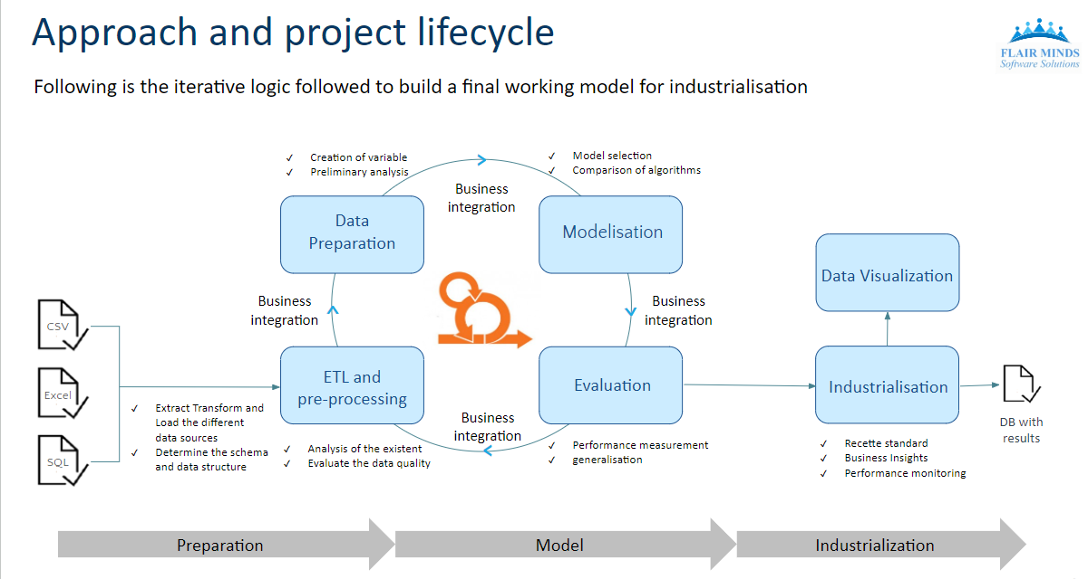
Summary
Heading | E-commerce agency
Highlight | Optimize marketing strategies through precise identification of similar products in e-commerce data.
Details
Business Need | Product matching across competition for better marketing strategies
Solution | Data source: Category-wise data, Product data, Product attribute data. Data Processing: 1)Data cleaning: ●Data Exploration ●Stop words removal ●Lemmatization ●Category wise data analysis 2)Data model: ●Product matching based on title and attributes ●Ranking model to rank similar products within the category ●Image similarity using computer vision 3)Analysis: ●Product Similarity Model ●Identify similar products in a product category from the e-commerce data
Technical Benefits | Enhanced Product Matching Algorithms for precise product matching. Algorithmic Product Ranking: Development of ranking models utilizing machine learning algorithms to efficiently prioritize similar products. Computer Vision Integration: Integration of computer vision techniques for image-based product similarity analysis.
Project Challenges | Data Exploration: Handling and understanding category-wise data. Model Development: Creating effective product matching and ranking models. Computer Vision Integration: Incorporating image similarity analysis. Data Scaling: Managing large volumes of product data. Complexity: Dealing with varied product attributes and categories.
Business Benefits | 94% accuracy of matched products’ analysis for marketing and price optimization

